Sheet1
Ahmad Danial Zainudin, MSc, MSTA, CFTe
60 (3) 2082 6904
ahmaddanial.za@maybank-ib.com
ACTIVE MONTH | COMEX Gold February 2020 |  |  |  |  |  | 2020-01-08
First Notice Day 31st January 2020

Gold surged above $1,600 an ounce for the first time in more than six years after Iran attacked military facilities in Iraq hosting American troops in retaliation for the killing of a top general by U.S. forces. Investors are now waiting to see whether President Donald Trump responds in kind.
Prices jumped more than 2% after Tehran fired a series of rockets at U.S.-Iraqi bases early Wednesday morning Baghdad time. After the spike, gold pared gains as Iran’s foreign minister said that the country isn’t seeking a war, although it would defend itself against any further aggression.
Bullion is off to a blistering start in 2020 driven by the fast-rising hostilities in the Middle East, which are helping the commodity build on last year’s 18% gain. While U.S. equities have risen to a series of records over the past 12 months, bullion has also advanced as the Federal Reserve eased policy, governments added gold to reserves, and holdings in exchange-traded funds rose.
Highlights
 |  |  |  |  | COMEX Gold's Market Movers
 |  |  |  |  |  |  | Close | % Change
 |  |  |  |  | DJIA |  | 28583.68 | -0.42
 |  |  |  |  | NYMEX Crude Oil |  | 63.18 | 0.77
 |  |  |  |  | Dollar Index |  | 96.94 | -0.07
 |  |  |  |  | Spot Gold |  | 1589.59 | 0.98

 |  |  |  |  | Key Economic Data
MBA Mortgage Applications 8.00pm
ADP Employment Change 9.15pm

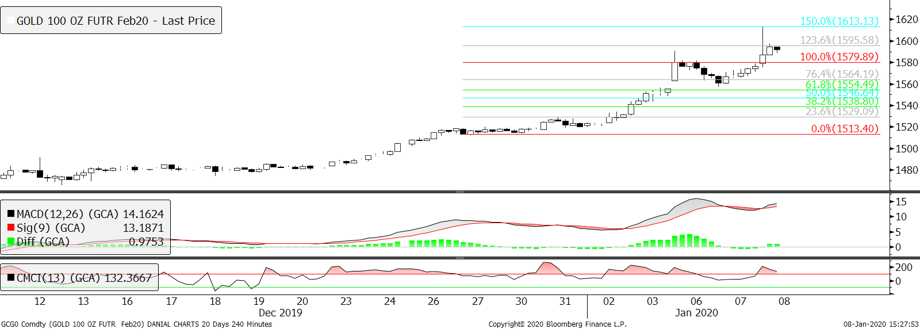
Technical Section
 |  |  |  |  | Pivot Values

 |  |  |  |  | 3rd Resistance |  | 1,614.5
 |  |  |  |  | 2nd Resistance |  | 1,592.3
 |  |  |  |  | 1st Resistance |  | 1,583.3
 |  |  |  |  | Last price |  | 1,574.3
 |  |  |  |  | 1st Support |  | 1,561.1
 |  |  |  |  | 2nd Support |  | 1,547.9
 |  |  |  |  | 3rd Support |  | 1,525.7

 |  |  |  |  | Intraday Outlook
 |  |  |  |  | Momentum |  | Trend
 |  |  |  |  | UP |  | DOWN
 |  |  |  |  | Aggregate Open Interest
 |  |  |  | #N/A | Previous |  | Latest
 |  |  |  |  |  |  | 787,679
SMA 5 Days | SMA 20 Days | SMA 100 Days | RSI |  | Upper Bollinger |  | Lower Bollinger
1,563.22 | 1509.28 | 1,505.68 | 85.93 |  | 63.67 |  | 58.48

Fundamental analysis are based on conclusive assessment of time varying key market movers. While technical analysis use a 4-hour chart to analyse the potential movement for intraday trading.
We believe US - Iran turmoil will keep fueling the buying momentum as people are rushing to safe haven asset. Buyers may aim to revisit and stay comfortably above $1600 level for now.
62.22322
3162.042
2775.358

WARNING: TRADING IN FUTURES IS HIGHLY LEVERAGED AND CARRIES A HIGH DEGREE OF RISK WHICH MIGHT NOT BE SUITABLE FOR THE GENERAL PUBLIC. INVESTORS SHOULD CONSIDER WHETHER SUCH TRADING IS APPRORIATE IN LIGHT OF THEIR EXPERIENCE, OBJECTIVES, FINANCIAL RESOURCES AND OTHER RELEVANT FACTORS BEFORE COMMENCEMENT. The materials, information and functions provided in this report shall not under any circumstances be considered or construed as an offer or solicitation to sell, buy, give, take, issue, allot or transfer, or as the giving of any advice in respect of shares, stocks, bonds, notes, interests, unit trusts, mutual funds or other securities, investments, loans, advances, credits or deposits in any jurisdiction.

WARNING: TRADING IN FUTURES IS HIGHLY LEVERAGED AND CARRIES A HIGH DEGREE OF RISK WHICH MIGHT NOT BE SUITABLE FOR THE GENERAL PUBLIC. INVESTORS SHOULD CONSIDER WHETHER SUCH TRADING IS APPRORIATE IN LIGHT OF THEIR EXPERIENCE, OBJECTIVES, FINANCIAL RESOURCES AND OTHER RELEVANT FACTORS BEFORE COMMENCEMENT
The materials, information and functions provided in this report shall not under any circumstances be considered or construed as an offer or solicitation to sell, buy, give, take, issue, allot or transfer, or as the giving of any advice in respect of shares, stocks, bonds, notes, interests, unit trusts, mutual funds or other securities, investments, loans, advances, credits or deposits in any jurisdiction

